Design Details
Sr No | Customer Name | Design Image | Design Name | Amount
155 | Genius Tech Solution |  | ALL_SW_CF | 3500
155 | Genius Tech Solution |  | Yed_Assembly_CF | 3500
156 | Genius Tech Solution |  | Ornament_IP_Asst_73861-71U10_CF | 6000
157 | Genius Tech Solution |  | Garnish_Center_1030032C_CF | 4000
158 | Genius Tech Solution |  | LWR_COVER_PDL_CF | 4000
159 | Genius Tech Solution |  | Upper_Side_Pannel_LH | 5000
160 | Genius Tech Solution |  | SIDE PLASTIC LOWER PANEL | 4000
161 | Genius Tech Solution |  | RR_Air_Duct_Lower | 2500
162 | Genius Tech Solution |  | RR_Air_Duct_Upper | 2500
163 | Genius Tech Solution |  | C-RAMP BRACKET | 0
164 | Genius Tech Solution |  | B-RAMP BRACKET | 0
165 | Genius Tech Solution |  | AIR BAG COVER | 3500
166 | Genius Tech Solution |  | ST 3757-BASE | 3500
167 | Genius Tech Solution |  | ST 3837-COVER SIDE 3& 4 | 4500
168 | Genius Tech Solution |  | ST 3849-D47-F1611-00_FENDER_CF | 5500
171 | Genius Tech Solution |  | ST 3851-COVER SIDE 1_ 2_CF) | 6000
172 | Genius Tech Solution |  | Cover_Under_BTA-F8385 | 3500
173 | Genius Tech Solution |  | ST 3877-GUARD MUD | 4000
174 | Genius Tech Solution |  | ST 3886-PROTECTOR MUFF | 3500
175 | Genius Tech Solution | 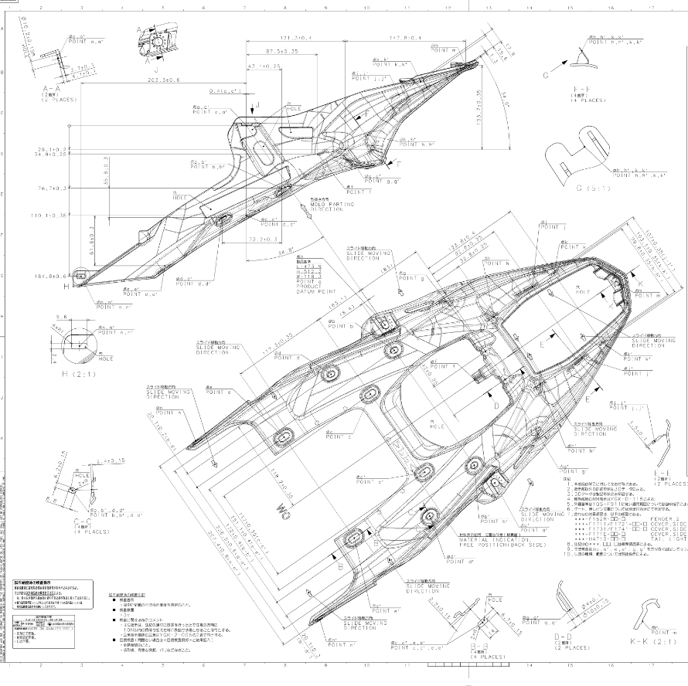 | ST 3887-FENDER | 5500
176 | Genius Tech Solution |  | W610_CFS CAPSENSE MOUNTING | 0

